Sheet1
YAWO AMEN EKLOU
Question1

 | X1 | X2 | X3 | X4
 | 22.999999695 | 15 | 39.000000152 | 4
Profit | 450 | 1150 | 800 | 400 | 60399.999985
Glue | 50 | 50 | 100 | 50 | 6000 | 6000
Pressing | 50 | 150 | 100 | 50 | 7500 | 7500
Pine Chips | 500 | 400 | 300 | 200 | 29999.999893 | 30000
Oak Chips | 500 | 750 | 250 | 500 | 34499.999886 | 62500
Tahoe | 1 |  |  |  | 22.999999695 | 4
Pacific |  | 1 |  |  | 15 | 4
Savannah |  |  | 1 |  | 39.000000152 | 4
Aspen |  |  |  | 1 | 4 | 4

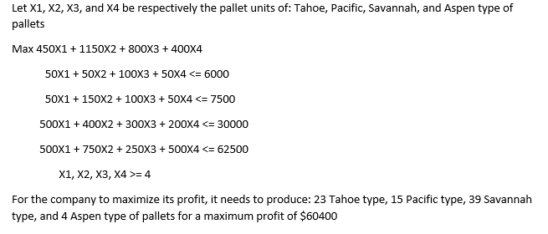

Question2

 | a) NETWORK REPRESENTATION

S Diego
1
S Louis 4
Denver 3
Los Angeles
2
New York 7
Chicago
6
Memphis
5
5
45
13
105
19
27
95
50
25
18
18
30
32
17
14
14
24
35
35
24

 | b) LP FORMULATION

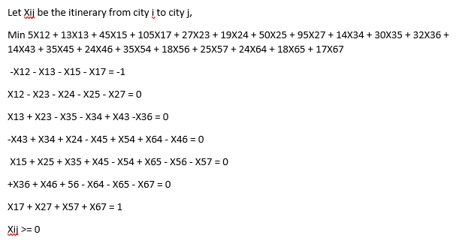

 |  | X12 | X13 | X14 | X15 | X16 | X17 | X21 | X23 | X24 | X25 | X26 | X27 | X31 | X32 | X34 | X35 | X36 | X37 | X41 | X42 | X43 | X45 | X46 | X47 | X51 | X52 | X53 | X54 | X56 | X57 | X61 | X62 | X63 | X64 | X65 | X67 | X71 | X72 | X73 | X74 | X75 | X76
 |  | 0 | 1 | 0 | 0 | 0 | 0 | 0 | 0 | 0 | 0 | 0 | 0 | 0 | 0 | 0 | 0 | 1 | 0 | 0 | 0 | 0 | 0 | 0 | 0 | 0 | 0 | 0 | 0 | 0 | 0 | 0 | 0 | 0 | 0 | 0 | 1 | 0 | 0 | 0 | 0 | 0 | 0
 | Cost | 5 | 13 |  | 45 |  | 105 |  | 27 | 19 | 50 |  | 95 |  |  | 14 | 30 | 32 |  |  |  | 14 | 35 | 24 |  |  |  |  | 35 | 18 | 25 |  |  |  | 24 | 18 | 17 |  |  |  |  |  |  | 62
 | San Diego | -1 | -1 |  | -1 |  | -1 |  |  |  |  |  |  |  |  |  |  |  |  |  |  |  |  |  |  |  |  |  |  |  |  |  |  |  |  |  |  |  |  |  |  |  |  | -1 | -1
 | L Angeles | 1 |  |  |  |  |  |  | -1 | -1 | -1 |  | -1 |  |  |  |  |  |  |  |  |  |  |  |  |  |  |  |  |  |  |  |  |  |  |  |  |  |  |  |  |  |  | 0 | 0
 | Denver |  | 1 |  |  |  |  |  | 1 |  |  |  |  |  |  | -1 | -1 | -1 |  |  |  | 1 |  |  |  |  |  |  |  |  |  |  |  |  |  |  |  |  |  |  |  |  |  | 0 | 0
 | St Louis |  |  |  |  |  |  |  |  | 1 |  |  |  |  |  | 1 |  |  |  |  |  | -1 | -1 | -1 |  |  |  |  | 1 |  |  |  |  |  | 1 |  |  |  |  |  |  |  |  | 0 | 0
 | Memphis |  |  |  | 1 |  |  |  |  |  | 1 |  |  |  |  |  | 1 |  |  |  |  |  | 1 |  |  |  |  |  | -1 | -1 | -1 |  |  |  |  | 1 |  |  |  |  |  |  |  | 0 | 0
 | Chicago |  |  |  |  |  |  |  |  |  |  |  |  |  |  |  |  | 1 |  |  |  |  |  | 1 |  |  |  |  |  | 1 |  |  |  |  | -1 | -1 | -1 |  |  |  |  |  |  | 0 | 0
 | New York |  |  |  |  |  | 1 |  |  |  |  |  | 1 |  |  |  |  |  |  |  |  |  |  |  |  |  |  |  |  |  | 1 |  |  |  |  |  | 1 |  |  |  |  |  |  | 1 | 1

 |  | Optimal Solution |  | X13=1 | X36=1 | X67=1

 | c-
 | For the company to minimize the shipping cost it needs to use the following routes in the following order
 | 1-San Diego to Denver
 | 2-From Denver to Chicago
 | 3-From Chicago to New York

 | Question3

a) |  |  | two periode | Four-periode
 | Week | Price | Moving Aveg | Moving Avg
 | 1 | $176
 | 2 | $172
 | 3 | $174 | $174.00
 | 4 | $177 | $173.00
 | 5 | $173 | $175.50 | $174.75
 | 6 | $171 | $175.00 | $174.00
 | 7 | $172 | $172.00 | $173.75
 | 8 | $173 | $171.50 | $173.25
 | 9 | $174 | $172.50 | $172.25
 | 10 | $173 | $173.50 | $172.50
 | 11 | $171 | $173.50 | $173.00
 | 12 | $172 | $172.00 | $172.75
 | 13 | $174 | $171.50 | $172.50
 | 14 | $177 | $173.00 | $172.50
 | 15 | $180 | $175.50 | $173.50
 | 16 | $178 | $178.50 | $175.75
 | 17 | $176 | $179.00 | $177.25
 | 18 | $179 | $177.00 | $177.75
 | 19 | $175 | $177.50 | $178.25
 | 20 | $176 | $177.00 | $177.00
 | 21 | $174 | $175.50 | $176.50
 | 22 | $175 | $175.00 | $176.00
 | 23 |  | $174.50 | $175.00
 | 24 |  | $174.50 | $175.00
 | MSE |  | 5.73 | 6.38

b) |  |  | Four-period
 |  |  | Weighted Moving
 | Week | Price | Average
 | 1 | $176
 | 2 | $172 |  | W1 | 0.1052275002
 | 3 | $174 |  | W2 | 0.089412689609
 | 4 | $177 |  | W3 | 0.016786165882
 | 5 | $173 | 176.39735055 | W4 | 0.78857364431
 | 6 | $171 | 173.05132985 | SUM | 1
 | 7 | $172 | 171.88573097
 | 8 | $173 | 172.59876402 | MSE | 4.62
 | 9 | $174 | 172.80438845
 | 10 | $173 | 173.48870595
 | 11 | $171 | 172.91155867
 | 12 | $172 | 171.5122654
 | 13 | $174 | 172.28308152
 | 14 | $177 | 173.5929621
 | 15 | $180 | 175.87121305
 | 16 | $178 | 178.57134536
 | 17 | $176 | 177.52324964
 | 18 | $179 | 176.49645059
 | 19 | $175 | 178.96545631
 | 20 | $176 | 175.47223985
 | 21 | $174 | 176.2514519
 | 22 | $175 | 174.64912252
 | 23 |  | 175.07262652
 | 24 |  | 175.0726265

 | Optimal Weights
 | W1 | 0.1052275002
 | W2 | 0.089412689609
 | W3 | 0.016786165882
 | W4 | 0.78857364431

c)

 | Week | Price | Exp Smoothing
 | 1 | $176
 | 2 | $172 | 176.00 | Alpha= | 0.67764507395
 | 3 | $174 | 173.29
 | 4 | $177 | 173.77 | MSE | 5.3897215411
 | 5 | $173 | 175.96
 | 6 | $171 | 173.95
 | 7 | $172 | 171.95
 | 8 | $173 | 171.98
 | 9 | $174 | 172.67
 | 10 | $173 | 173.57
 | 11 | $171 | 173.18
 | 12 | $172 | 171.70
 | 13 | $174 | 171.90
 | 14 | $177 | 173.32
 | 15 | $180 | 175.82
 | 16 | $178 | 178.65
 | 17 | $176 | 178.21
 | 18 | $179 | 176.71
 | 19 | $175 | 178.26
 | 20 | $176 | 176.05
 | 21 | $174 | 176.02
 | 22 | $175 | 174.65
 | 23 |  | 174.89
 | 24 |  | 174.89

 | OPTIMAL ALPHA= |  | 0.677645

d)

 |  |  |  |  | Predicted
 | Week | Price | Base Level | Trend | Price
 | 1 | $176 | 176 | 0
 | 2 | $172 | $172.00 | 0.00 | 176 |  | Alpha | 1
 | 3 | $174 | $174.00 | 0.00 | $174.00 |  | Beta | 0
 | 4 | $177 | $177.00 | 0.00 | $177.00
 | 5 | $173 | $173.00 | 0.00 | $173.00 |  | MSE | 0.76
 | 6 | $171 | $171.00 | 0.00 | $171.00
 | 7 | $172 | $172.00 | 0.00 | $172.00
 | 8 | $173 | $173.00 | 0.00 | $173.00
 | 9 | $174 | $174.00 | 0.00 | $174.00
 | 10 | $173 | $173.00 | 0.00 | $173.00
 | 11 | $171 | $171.00 | 0.00 | $171.00
 | 12 | $172 | $172.00 | 0.00 | $172.00
 | 13 | $174 | $174.00 | 0.00 | $174.00
 | 14 | $177 | $177.00 | 0.00 | $177.00
 | 15 | $180 | $180.00 | 0.00 | $180.00
 | 16 | $178 | $178.00 | 0.00 | $178.00
 | 17 | $176 | $176.00 | 0.00 | $176.00
 | 18 | $179 | $179.00 | 0.00 | $179.00
 | 19 | $175 | $175.00 | 0.00 | $175.00
 | 20 | $176 | $176.00 | 0.00 | $176.00
 | 21 | $174 | $174.00 | 0.00 | $174.00
 | 22 | $175 | $175.00 | 0.00 | $175.00

 | OPTIMAL VALUE
 | Alpha | 1
 | Beta | 0

